Title Page
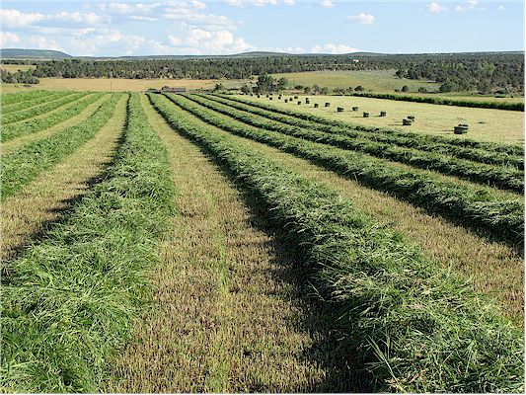

 | Photo: woollydesigns.com

2015 Enterprise Budgets: District 1 Grass Hay

Kathleen Painter, PhD
Agricultural Extension Educator
Boundary County
PO Box 267
Bonners Ferry ID 83805
(208) 267-3235
kpainter@uidaho.edu

