Title Page
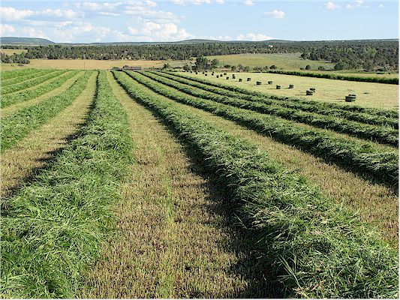

 |  |  | Photo: woollydesigns.com

 |  | 2015 Enterprise Budgets: District 1 Alfalfa

 |  | Kathleen Painter, PhD
 |  | Agricultural Extension Educator
 |  | Boundary County
 |  | PO Box 267
 |  | Bonners Ferry ID 83805
 |  | (208) 267-3235
 |  | kpainter@uidaho.edu

Budget spreadsheets are available at the following link:
 | http://web.cals.uidaho.edu/idahoagbiz/enterprise-budgets/

