Calculator
Professorial Ranks |  |  |  | Instructor Rank
Academic Year Salary |  |  |  | Academic Year Salary target = market so typically no longevity calculation required
Enter CIP rank market salary: |  |  |  | Enter CIP rank market salary:
Enter longevity time in rank: |  | $- |  | Adjust to find percent of market salary if needed: | 100% | $-
If NTT: never change this | 90% | $-

Banner Rounded AY TT Target | $- | $- | $- | Banner Rounded Salary | $- | $-
Banner Rounded AY NTT Target | $- | $- | $-

Professiorial Ranks Conversion from AY to FY |  |  |  | Academic Year to Fiscal Year Conversion - All Salaries
With longevity entered above |  | Round-up Calculation |  | Enter CIP rank market salary:
Banner Rounded FY TT Target | $- | $- | $- | Enter longevitity time in rank: |  | $-
Banner Rounded FY NTT Target | $- | $- | $- | If NTT professorial rank: never change this | 90% | $-
 |  |  |  | Banner Rounded (up) HRLY Rate and AY Salary | $- | $- | $-
 |  |  |  | Banner Rounded (up) NTT HRLY Rate and AY Salary | $- | $- | $-
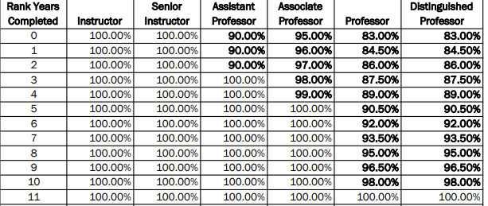
 |  |  |  | Fiscal Year Salary
 |  |  |  | Banner Rounded (up) HRLY Rate and FY Salary | $- | $- | $-
 |  |  |  | Banner Rounded (up) NTT HRLY Rate and FY Salary | $- | $- | $-

 |  |  |  | Fiscal Year to Academic Year Conversion - All Salaries
 |  |  |  | Assumes tenure status and longevity are already set in existing salary
 |  |  |  | Enter current FY salary:
 |  |  |  | 9/11 Converstion rate (*0.8182) | $-
 |  |  |  | Banner Rounded (up) HRLY Rate and AY Salary | $- | $- | $-

